Komptenzraster-eng
 | Competence levels (increasingly complex ->)
 |  | 0 | I | II | III
 |  |  |  |  |  |  | Number of students: | 20 |  | Average points | 0.8 |  | Average mark (German): | 5.9215686275 |  |  |  |  |  |  |  |  |  |  |  |  |  |  |  |  |  |  |  |  |  | Total sum | 16
category used |  |  |  |  |  | Students | 1 | 2 | 3 | 4 | 5 | 6 | 7 | 8 | 9 | 10 | 11 | 12 | 13 | 14 | 15 | 16 | 17 | 18 | 19 | 20 | 21 | 22 | 23 | 24 | 25 | 26 | 27 | 28 | 29 | 30 | Taskpoints sum
yes | objects | creates an unstructured instruction sequence in a sprite. | 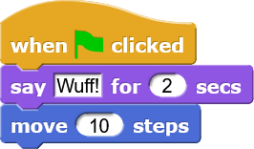 Creates instruction sequences in an existing sprite to implement a specific function, e.g. object draws, object moves | 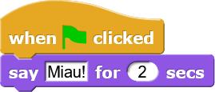 creates and names another object(s) using a parallel statement sequence | 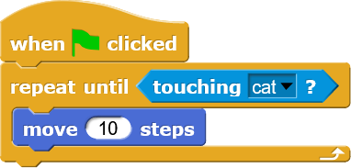 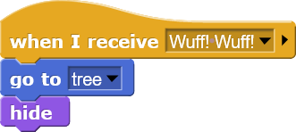 Independently creates several other objects with a communication or interaction for modelling a complex system. |  | 1 | 3 | 3 | 3 | 3 | 3 |  |  |  |  |  |  |  |  |  |  |  |  |  |  |  |  |  |  |  |  |  |  |  |  | 16
yes | stage as an object | Stage is not recognised as an object. No stage backgrounds/functions. | embeds the stage in the system: Sets one or more backgrounds for the stage. | perceives the stage as an object: creates a programme for designing the stage, for example, by automatically changing the background images, using the graphic effects, time lapses | 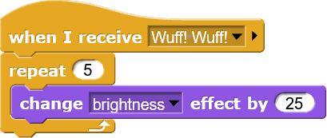 perceives stage as object: creates a programme for the stage with object interaction |  |  |  |  |  |  |  |  |  |  |  |  |  |  |  |  |  |  |  |  |  |  |  |  |  |  |  |  |  |  |  | 0
yes | communication with a user AND/OR witch other objects | communication is not available | Uses condition block to evaluate keybouard or mouse input or colour coding | Creates simple communication between objects or with the environment | 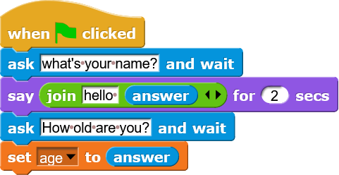 creates advanced communication between objects/ with the user, for example via variables |  |  |  |  |  |  |  |  |  |  |  |  |  |  |  |  |  |  |  |  |  |  |  |  |  |  |  |  |  |  |  | 0
yes | Usage of reporter blocks or predicates | No implementation of the reporter and predictor blocks | Use of simple reporter blocks, like random number or x-position | 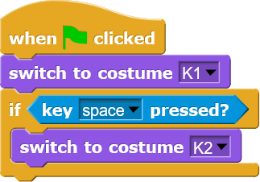 uses reporter/predicator blocks as parameter AND/OR in conditions | 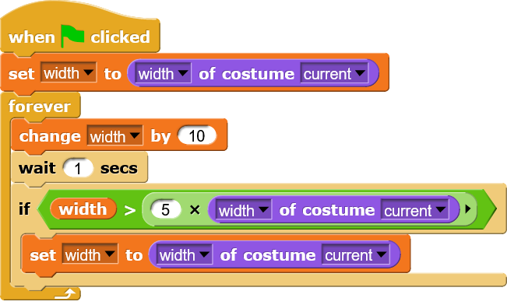 uses complex/composite reporter/predecator blocks |  |  |  |  |  |  |  |  |  |  |  |  |  |  |  |  |  |  |  |  |  |  |  |  |  |  |  |  |  |  |  | 0
yes | Grafical effects, soundeffects, Draw effects | no implementation of effects, etc. | 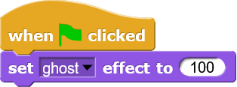 uses simple sound/speech/drawing instructions/graphical effects | 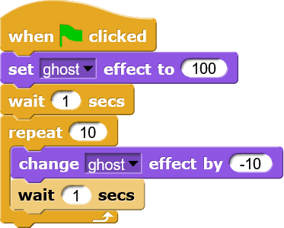 controls the graphic effects AND/OR uses combinations of different properties and sounds | 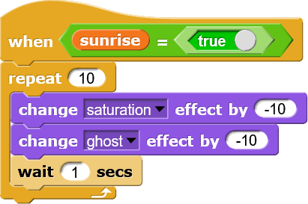 uses graphical effects (effect combinations) meaningfully, for example to visualise a complex plot or to design the programme interface |  |  |  |  |  |  |  |  |  |  |  |  |  |  |  |  |  |  |  |  |  |  |  |  |  |  |  |  |  |  |  | 0
yes | Hat blocks and multithreading | Instruction sequence always starts without a hat block | 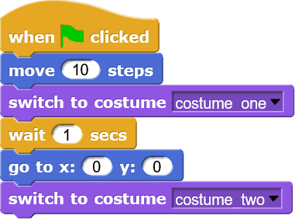 uses a hat block to start the script, the script runs linearly | 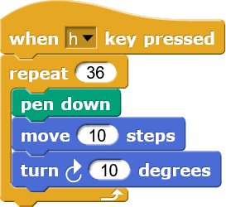 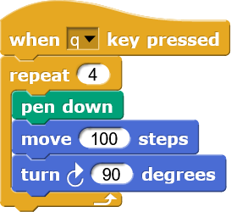 creates several scripts within a project, but no targeted use of the multithreading concept: scripts work independently of each other | 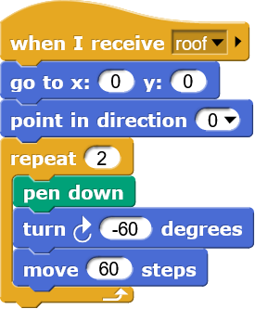 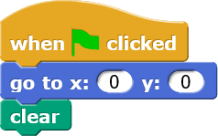 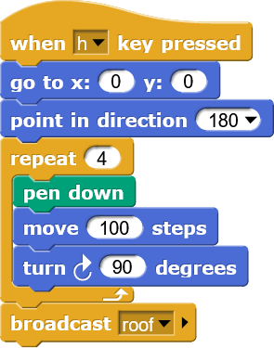 uses several different hat blocks for a multithreading processing of the programmes AND/OR uses a hat block for sending the messages AND/OR "When I start as a clone". |  |  |  |  |  |  |  |  |  |  |  |  |  |  |  |  |  |  |  |  |  |  |  |  |  |  |  |  |  |  |  | 0
yes | Object actions | Loose collection of instructions, no meaningful structure of a programme | 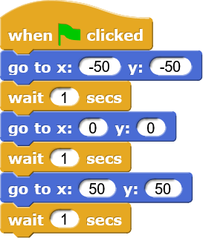 creates a sequence of instructions with fixed numerical values, e.g. with concrete size specifications AND/OR creates a sequence of instructions for a sprite movement or figure geometry with waypoints | 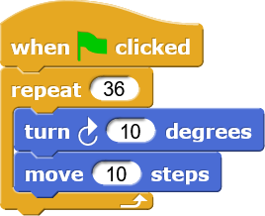 uses control flows with fixed values | 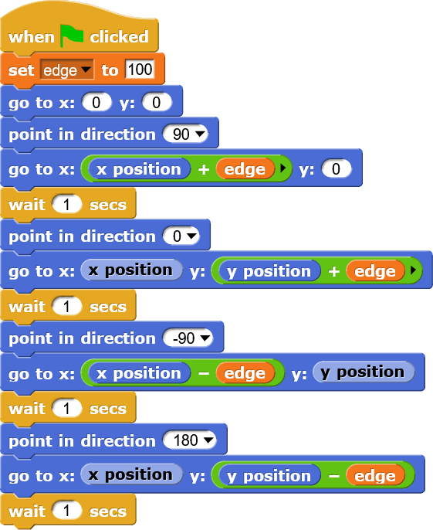 parameterises the statement sequence AND/OR uses variables in control flows |  |  |  |  |  |  |  |  |  |  |  |  |  |  |  |  |  |  |  |  |  |  |  |  |  |  |  |  |  |  |  | 0
yes | Creating variables | Data is treated as fixed values, no variables present. | creates and names a variable. | creates several variables. | creates a variable(s) for data exchange (between objects (global variables) or within an object (local variables). Meaningfull use of local and global variables |  |  |  |  |  |  |  |  |  |  |  |  |  |  |  |  |  |  |  |  |  |  |  |  |  |  |  |  |  |  |  | 0
yes | Using variables | Only numbers or words are used as constants | 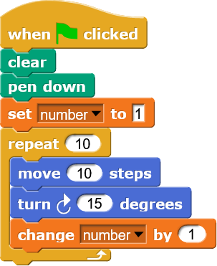 Variables as numbers or strings are changed in the course of the programme | 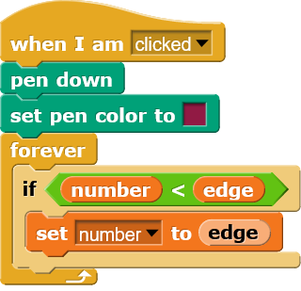 changes the value of a variable depending on a condition, for example, sets false to true. | 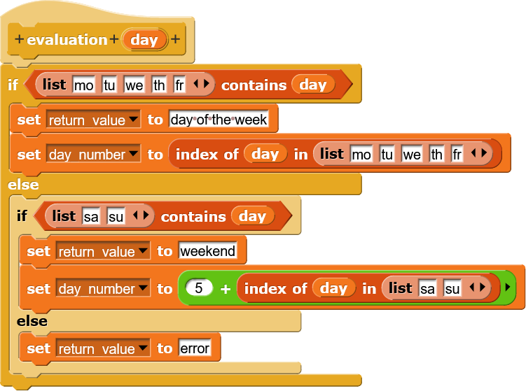 Variables are used as data containers for various data such as lists, objects |  |  |  |  |  |  |  |  |  |  |  |  |  |  |  |  |  |  |  |  |  |  |  |  |  |  |  |  |  |  |  | 0
yes | Using operators | No use of operators | uses simple mathematical operations, such as plus, minus, etc. in the function as a reporter | uses nested operators with variables AND/OR simple operators within a one-way branch/loop | Meaningful use of complex operators, e.g. in conditions |  |  |  |  |  |  |  |  |  |  |  |  |  |  |  |  |  |  |  |  |  |  |  |  |  |  |  |  |  |  |  | 0
yes | Using of predicates in control flows | no existing termination condition (except for endless loop) AND/OR incorrect termination condition | 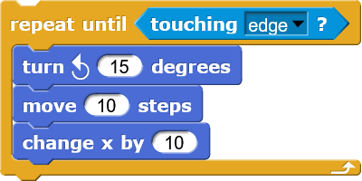 formulates a non-parameterised termination condition for a control flow | 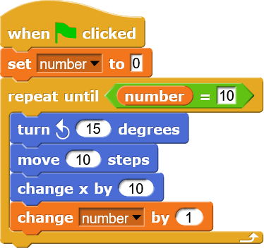 formulates a non-parameterised termination condition for a control flow | uses operators (e.g. and, or, not) for a termination condition in a condition/loop AND/OR complex conditions (referring to other objects). |  |  |  |  |  |  |  |  |  |  |  |  |  |  |  |  |  |  |  |  |  |  |  |  |  |  |  |  |  |  |  | 0
yes | Using of conditions | no implementation of conditions | 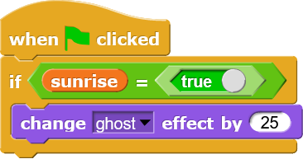 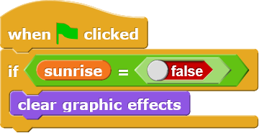 uses an if condition or an if-else condition | 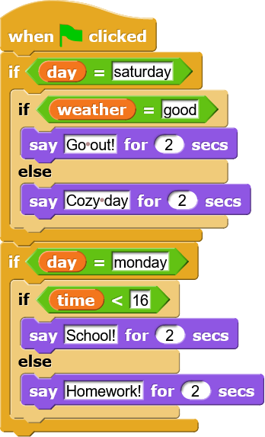 uses a nested branch AND/OR uses a one-way branch for multiple cases | sensible use of complex nesting (but no unnecessary nesting, clear source code) |  |  |  |  |  |  |  |  |  |  |  |  |  |  |  |  |  |  |  |  |  |  |  |  |  |  |  |  |  |  |  | 0
yes | Using of loops | no loops implementation | 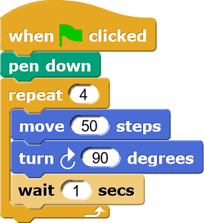 uses a loop | 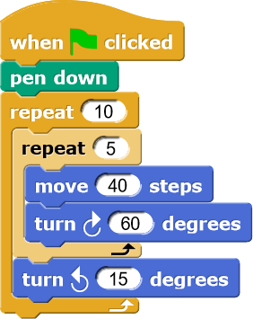 uses a combination of two loops (e.g. nesting them) | 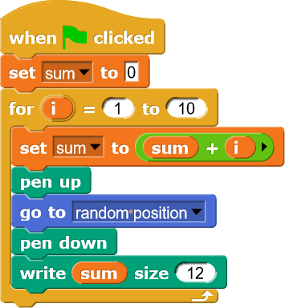 Uses multiple loops and complex loop structures, e.g. For loop |  |  |  |  |  |  |  |  |  |  |  |  |  |  |  |  |  |  |  |  |  |  |  |  |  |  |  |  |  |  |  | 0
yes | Using of lists | no list implementaion | 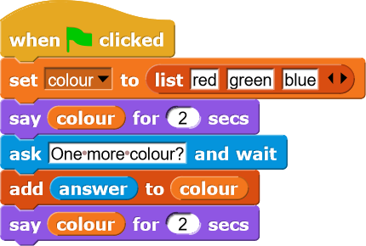 creates a simple list AND/OR outputs the list AND/OR prompts for input | 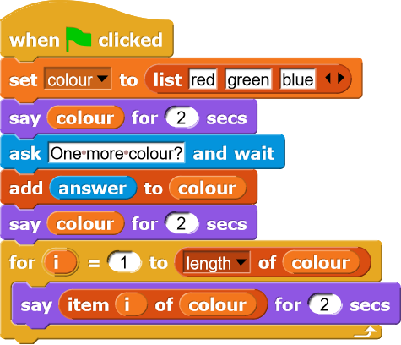 Uses list elements according to the respective index | Creates lists with objects AND/OR further lists AND/OR uses complex structures and commands |  |  |  |  |  |  |  |  |  |  |  |  |  |  |  |  |  |  |  |  |  |  |  |  |  |  |  |  |  |  |  | 0
yes | Build Your Own Block | no own block implementation | 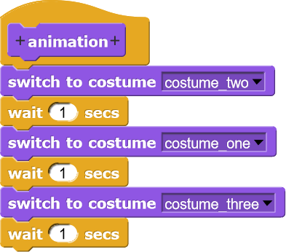 Combines several commands in their own blocks (outsources code) | 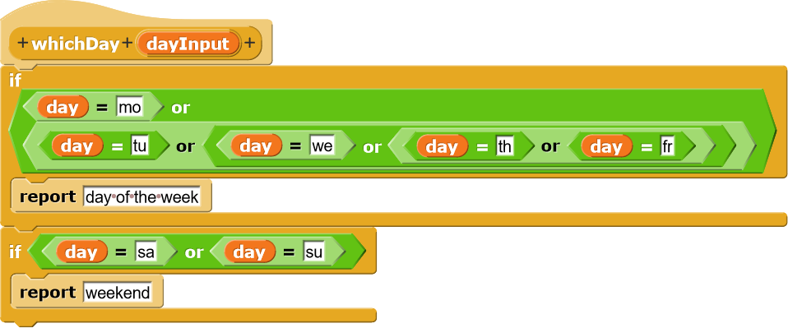 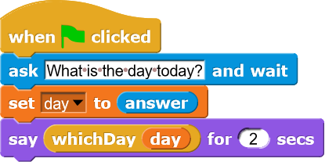 creates a block with a return value or with (a) parameter(s). Create reporter | 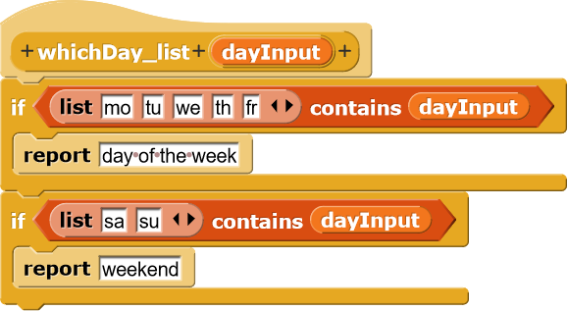 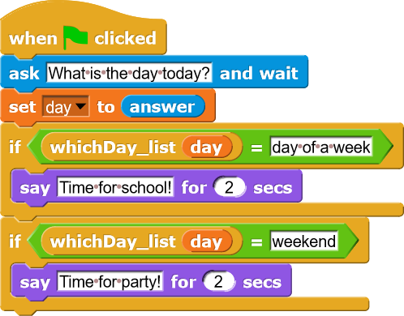 creates a block with complex parameters AND/OR return values, such as lists, objects, etc. |  |  |  |  |  |  |  |  |  |  |  |  |  |  |  |  |  |  |  |  |  |  |  |  |  |  |  |  |  |  |  | 0
yes | Project struture | A simple project with partly correct approaches, but on the whole inadequate or wrong. No concept/no idea available. Loose collection of objects and functions. | A project is manageable. 1-2 stage backgrounds are used. The plot is implemented with 2 to 3 objects. Simple control flows, instructions, operators are used. The plot is manageable. No or very rudimentary use of own blocks. No or very simple parallel processing. Hint of a system (a concept idea can be seen in the project). | The project has a comprehensive structure. Several stage sets with effects are used. The plot is implemented with 5 to 7 objects.Control structures, instructions, links are used. The plot is multi-level.Own blocks are created and used sensibly. Code is outsourced. Use is made of multithreading, movement instructions, effects. A concept is present and clear. However, the implementation of ideas is plain, function-oriented, expandable. | The project has a complex structure. The plot is complex, exciting.The graphic design is mature. The use of effects makes sense and serves the software technical necessity. Complex control structures, instructions, links, lists are used. Custom blocks are used with parameters and return values. They serve to simplify the readability and scaling of the code. Extensive use is made of multithreading, movement instructions, effects.Mature system concept: divides the system into meaningful objects that interact with each other, are interrelated. Implemented as a complete project with details. Realistic. |  |  |  |  |  |  |  |  |  |  |  |  |  |  |  |  |  |  |  |  |  |  |  |  |  |  |  |  |  |  |  | 0
yes | creativity | "The task has not been solved." | "The task is solved, but not very creatively". | "I understand the concept, it's exciting!" | "Wow, that's a cool idea, a successful concept!" |  |  |  |  |  |  |  |  |  |  |  |  |  |  |  |  |  |  |  |  |  |  |  |  |  |  |  |  |  |  |  | 0
 |  |  |  |  |  | Points sum | 1 | 3 | 3 | 3 | 3 | 3 | 0 | 0 | 0 | 0 | 0 | 0 | 0 | 0 | 0 | 0 | 0 | 0 | 0 | 0 | 0 | 0 | 0 | 0 | 0 | 0 | 0 | 0 | 0 | 0
 |  |  |  |  |  | Mark | 5.9019607843 | 5.7058823529 | 5.7058823529 | 5.7058823529 | 5.7058823529 | 5.7058823529 | 6 | 6 | 6 | 6 | 6 | 6 | 6 | 6 | 6 | 6 | 6 | 6 | 6 | 6 | 6 | 6 | 6 | 6 | 6 | 6 | 6 | 6 | 6 | 6

